Sheet 1
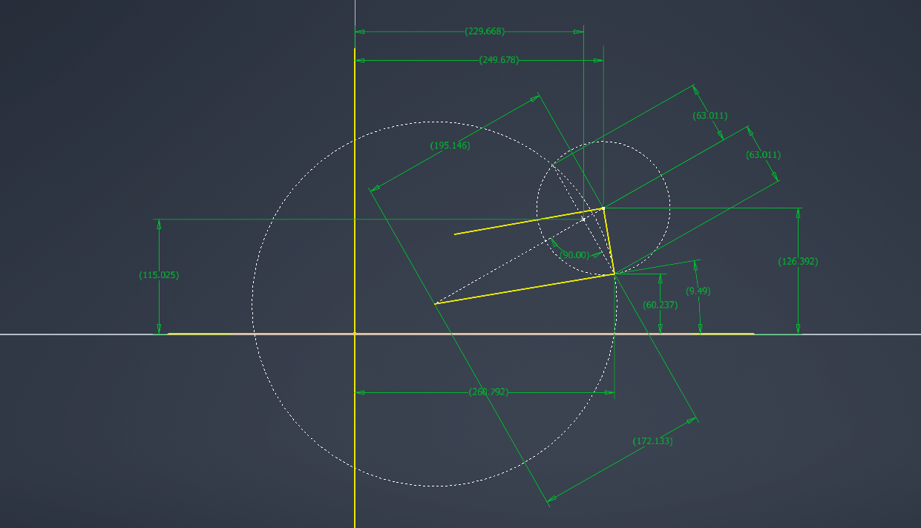
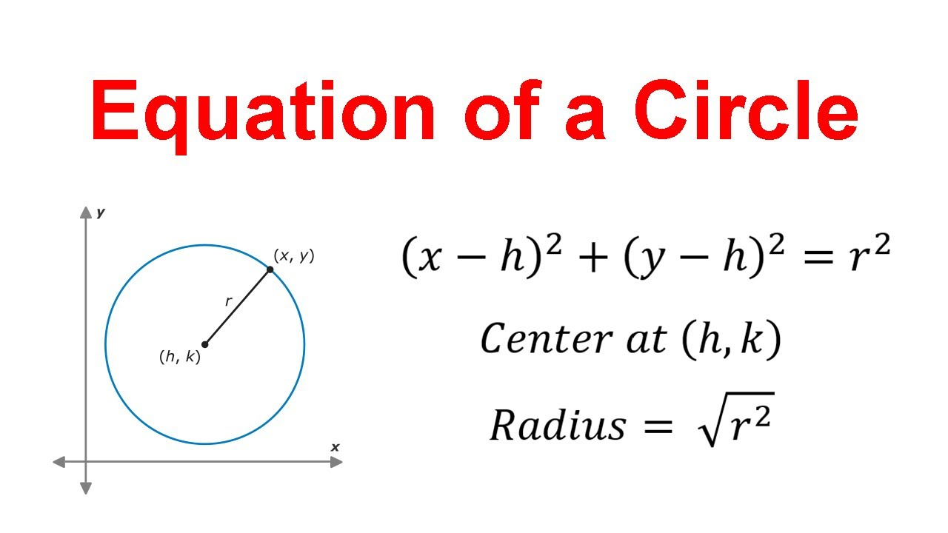
Suspension Pivot Hardpoints (Inputs) |  |  |  | Camber-KPI Offset (deg) | Upper Arm Angle | Camber Angle | UOP_Y | UOP_Z | D_centers | a_chord | h_chord | Lower Arm Angle to Horizontal | Lower Outboard Pivot Horizontal Position | Lower Outboard Pivot Vertical Position | Kinpin Inclination
Geometry Inputs | Value | Unit | Description | 0 | 20 | -4.5 | 202.9 | 137.5 | 163.3 | 115.3 | 46.9 | 19.0 | 197.7 | 70.6 | -4.5
Y_U | 100 | mm | Upper inboard pickup axis lateral position (from origin) |  | 19 | -4.5 | 203.6 | 135.7 | 162.6 | 115.1 | 47.4 | 18.2 | 198.3 | 68.8 | -4.5
Z_U | 100 | mm | Upper inboard pickup axis vertical position (from origin) |  | 18 | -4.5 | 204.2 | 133.9 | 161.9 | 114.9 | 47.9 | 17.3 | 198.9 | 67.0 | -4.5
Y_L | 80 | mm | Lower inboard pickup axis lateral position (from origin) |  | 17 | -4.6 | 204.8 | 132.0 | 161.2 | 114.7 | 48.4 | 16.4 | 199.4 | 65.2 | -4.6
Z_L | 30 | mm | Lower inboard pickup axis vertical position (from origin) |  | 16 | -4.6 | 205.3 | 130.2 | 160.4 | 114.5 | 48.9 | 15.5 | 200.0 | 63.3 | -4.6
L_U | 170 | mm | Upper arm member length |  | 15 | -4.6 | 205.8 | 128.4 | 159.7 | 114.3 | 49.4 | 14.6 | 200.5 | 61.5 | -4.6
L_L | 180 | mm | Lower arm member length |  | 14 | -4.6 | 206.3 | 126.5 | 158.9 | 114.1 | 49.9 | 13.8 | 200.9 | 59.6 | -4.6
L_u | 70 | mm | Upright length (linear distance between upper and lower outboard rod end centers) |  | 13 | -4.6 | 206.7 | 124.6 | 158.2 | 113.9 | 50.4 | 12.9 | 201.4 | 57.8 | -4.6
X_uf | 50 | mm | Longitudinal position of the upper front pickup (from origin) |  | 12 | -4.6 | 207.2 | 122.8 | 157.4 | 113.6 | 50.8 | 12.0 | 201.8 | 55.9 | -4.6
X_ur | 310 | mm | Longitudinal position of the upper rear pickup (from origin) |  | 11 | -4.6 | 207.5 | 120.9 | 156.6 | 113.4 | 51.3 | 11.1 | 202.2 | 54.0 | -4.6
X_lf | 30 | mm | Longitudinal position of the lower front pickup (from origin) |  | 10 | -4.6 | 207.9 | 119.0 | 155.8 | 113.2 | 51.8 | 10.3 | 202.5 | 52.2 | -4.6
X_lr | 290 | mm | Longitudinal position of the lower rear pickup (from origin) |  | 9 | -4.6 | 208.2 | 117.1 | 155.0 | 113.0 | 52.3 | 9.4 | 202.8 | 50.3 | -4.6
theta_U0 | 0 | deg | Upper arm angle from horizontal at ride height on flat ground |  | 8 | -4.6 | 208.5 | 115.2 | 154.2 | 112.8 | 52.8 | 8.5 | 203.1 | 48.4 | -4.6
 |  |  |  |  | 7 | -4.6 | 208.7 | 113.4 | 153.4 | 112.5 | 53.2 | 7.6 | 203.4 | 46.5 | -4.6
Calculated Intermediate Values |  |  |  |  | 6 | -4.5 | 208.9 | 111.5 | 152.5 | 112.3 | 53.7 | 6.7 | 203.6 | 44.6 | -4.5
Parameter Name | Value | Unit | Description |  | 5 | -4.5 | 209.1 | 109.5 | 151.7 | 112.1 | 54.2 | 5.8 | 203.9 | 42.7 | -4.5
base_U | 260 | mm | longitudinal spacing between the 2 upper inboard pickup points |  | 4 | -4.5 | 209.3 | 107.6 | 150.8 | 111.9 | 54.6 | 5.0 | 204.0 | 40.8 | -4.5
base_L | 260 | mm | longitudinal spacing between the 2 lower inboard pickup points |  | 3 | -4.5 | 209.4 | 105.7 | 149.9 | 111.6 | 55.1 | 4.1 | 204.2 | 38.9 | -4.5
r_U | 109.5445115 | mm | upper arm swing radius |  | 2 | -4.4 | 209.5 | 103.8 | 149.0 | 111.4 | 55.5 | 3.2 | 204.3 | 36.9 | -4.4
r_L | 124.49899598 | mm | lower arm swing radius |  | 1 | -4.4 | 209.5 | 101.9 | 148.2 | 111.2 | 56.0 | 2.3 | 204.4 | 35.0 | -4.4
X_UOP | 180 | mm | logitudinal position of the upper outboard pivot on the upright |  | 0 | -4.3 | 209.5 | 100.0 | 147.2 | 111.0 | 56.4 | 1.4 | 204.5 | 33.1 | -4.3
X_LOP | 160 | mm | logitudinal position of the lower outboard pivot on the upright |  | -1 | -4.3 | 209.5 | 98.1 | 146.3 | 110.8 | 56.9 | 0.6 | 204.5 | 31.2 | -4.3
dX | 20 | mm | longitudinal distance between upper and lower outboard pivots |  | -2 | -4.3 | 209.5 | 96.2 | 145.4 | 110.5 | 57.3 | -0.3 | 204.5 | 29.3 | -4.3
d_yz | 67.082039325 | mm | Upright height from front view |  | -3 | -4.2 | 209.4 | 94.3 | 144.5 | 110.3 | 57.7 | -1.2 | 204.5 | 27.4 | -4.2
UOP_y | 209.5445115 | mm | lateral position of upper outboard pivot at current upper arm angle |  | -4 | -4.2 | 209.3 | 92.4 | 143.5 | 110.1 | 58.1 | -2.1 | 204.4 | 25.5 | -4.2
UOP_z | 100 | mm | vertical position of upper outboard pivot at current upper arm angle |  | -5 | -4.1 | 209.1 | 90.5 | 142.6 | 109.9 | 58.6 | -3.0 | 204.3 | 23.5 | -4.1
D_centers | 147.24734449 | mm | Distance between centers of circles drawn at lower inboard and upper outboard points |  | -6 | -4.0 | 208.9 | 88.5 | 141.6 | 109.6 | 59.0 | -3.9 | 204.2 | 21.6 | -4.0
a_chord | 110.97578898 | mm | distance from center of circle at lower inboard to the line between the intersection points of both circles |  | -7 | -4.0 | 208.7 | 86.6 | 140.6 | 109.4 | 59.4 | -4.7 | 204.1 | 19.7 | -4.0
h_chord | 56.43026015 | mm | perpendicular distance from a_chord to the 2 possible intersection points of the lower arm and upright |  | -8 | -3.9 | 208.5 | 84.8 | 139.7 | 109.2 | 59.8 | -5.6 | 203.9 | 17.8 | -3.9
M_y | 177.63370892 | mm | lateral position of the intersection between a_chord and h_chord |  | -9 | -3.8 | 208.2 | 82.9 | 138.7 | 109.0 | 60.2 | -6.5 | 203.7 | 15.9 | -3.8
M_z | 82.75684431 | mm | vertical position of the intersection between a_chord and h_chord |  | -10 | -3.8 | 207.9 | 81.0 | 137.7 | 108.8 | 60.5 | -7.4 | 203.5 | 14.0 | -3.8
branch | -1 | const | since the cirles intersect at 2 separate points, we need this value to choose which one is the real life suspension position that doesn't require the arms crossing over |  | -11 | -3.7 | 207.5 | 79.1 | 136.7 | 108.6 | 60.9 | -8.2 | 203.2 | 12.2 | -3.7
LOP_y | 204.46012283 | mm | lateral position of the lower outboard pivot |  | -12 | -3.6 | 207.2 | 77.2 | 135.6 | 108.4 | 61.3 | -9.1 | 202.9 | 10.3 | -3.6
LOP_z | 33.110920235 | mm | vertical position of the lower outboard pivot |  | -13 | -3.5 | 206.7 | 75.4 | 134.6 | 108.2 | 61.6 | -10.0 | 202.6 | 8.4 | -3.5
theta_L0 | 1.4318280405 | deg | angle between lower arm and horizontal |  | -14 | -3.4 | 206.3 | 73.5 | 133.6 | 108.0 | 62.0 | -10.9 | 202.3 | 6.5 | -3.4
 |  |  |  |  | -15 | -3.3 | 205.8 | 71.6 | 132.5 | 107.8 | 62.3 | -11.7 | 201.9 | 4.7 | -3.3
Caluclated Final Values |  |  |  |  | -16 | -3.2 | 205.3 | 69.8 | 131.5 | 107.6 | 62.7 | -12.6 | 201.5 | 2.8 | -3.2
Parameter Name | Value | Unit | Description |  | -17 | -3.1 | 204.8 | 68.0 | 130.4 | 107.4 | 63.0 | -13.5 | 201.1 | 1.0 | -3.1
caster | 16.646794697 | deg | side view angle of the steering axis from vertical |  | -18 | -3.0 | 204.2 | 66.1 | 129.3 | 107.2 | 63.3 | -14.3 | 200.6 | -0.8 | -3.0
KPI | -4.3468215287 | deg | (Kingpin inclination) front view angle between the steering axis and horizontal |  | -19 | -2.9 | 203.6 | 64.3 | 128.3 | 107.0 | 63.6 | -15.2 | 200.1 | -2.7 | -2.9
IC_det | 340.78423742 | mm | determinant of the two arm direction vectors (0 when the arms are parallel and increasesd when they diverege) |  | -20 | -2.8 | 202.9 | 62.5 | 127.2 | 106.8 | 63.9 | -16.1 | 199.6 | -4.5 | -2.8
IC_y | 2880.5245847 | mm | horizontal position of the instant center
IC_z | 100 | mm | vertical position of the instant center

